Work Scope
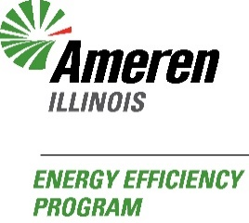
AMEREN ILLINOIS ENERGY EFFICIENCY PROGRAM
PY2024 Home Efficiency Workbook
Form Use: This form is to be used to submit reservation requests and incentive payment requests. Sections 1-4: Used to specify proposed work scope, and upon approval, reserve program incentives for a period of 30 days. Please note: All approved customers will have received a confirmation number via email indicating that they are eligible for Program Incentives.
When submitting the Reservation/Incentive Application and required documentation, please send all required documents to: |  |  |  |  |  |  |  |  |  |  |  |  |  |  |  |  |  |  | ResidentialEEApplications@ameren.com
This is the scope of work for the resident at |  |  |  |  |  |  |  |  |  |  |  |  |  |  |  |  |  |  | IL
The project will be completed by

SECTION 1: BUILDING ENVELOPE MEASURES
ALLY | MEASURE |  |  |  | AVAILABLE INCENTIVE |  |  |  |  | QUANTITY |  |  |  | ALLY COST |  |  |  | INCENTIVE |  |  |  |  |  | CUSTOMER COST
 | Air Sealing |  |  |  | $0.00 |  | per CFM50 |  |  | 0
 | Pre-test CFM50 |  | Post-test CFM50 |  |  | Material Type |  |  |  |  | Caulk |  |  | Joint Compound |  |  | One Part Foam |  |  |  |  | Weatherstripping |  |  |  |  | Other
 | Attic Insulation [R11 or Less to R49 or Greater] |  |  |  | $0.00 |  | per SF |  |  | 0
 | SF | Existing Type |  |  | Depth |  |  | Condition |  |  |  |  |  | Pre-install R-value |  |  | Final R-value |  |  |  |  | Installed Type
 | SF | Existing Type |  |  | Depth |  |  | Condition |  |  |  |  |  | Pre-install R-value |  |  | Final R-value |  |  |  |  | Installed Type
 | Attic Insulation [R12 - R19 to R49 or Greater] |  |  |  | $0.00 |  | per SF |  |  | 0
 | SF | Existing Type |  |  | Depth |  |  | Condition |  |  |  |  |  | Pre-install R-value |  |  | Final R-value |  |  |  |  | Installed Type
 | SF | Existing Type |  |  | Depth |  |  | Condition |  |  |  |  |  | Pre-install R-value |  |  | Final R-value |  |  |  |  | Installed Type
 | Attic Insulation - Preapproved only [R20 - R30 to R49 or Greater] |  |  |  | $0.00 |  | per SF |  |  | 0
 | SF | Existing Type |  |  | Depth |  |  | Condition |  |  |  |  |  | Pre-install R-value |  |  | Final R-value |  |  |  |  | Installed Type
 | SF | Existing Type |  |  | Depth |  |  | Condition |  |  |  |  |  | Pre-install R-value |  |  | Final R-value |  |  |  |  | Installed Type
 | Kneewall Insulation [R0 to R12 or Greater] |  |  |  | $0.00 |  | per SF
 |  |  |  |  |  |  |  |  |  |  |  |  |  | Pre-install R-value |  |  | Final R-value |  |  |  |  | Installed Type
 | Wall Insulation [R0 to R11 or Greater] |  |  |  | $0.00 |  | per SF
 | Percentage of Wall at Existing R-Value |  |  |  |  |  |  |  |  |  |  |  |  | Pre-install R-value |  |  | Final R-value |  |  |  |  | Installed Type
 | Rim Joist Insulation [R0 to R10 or Greater] |  |  |  | $0.00 |  | per LF
 |  |  |  |  |  |  |  |  |  |  |  |  |  | Pre-install R-value |  |  | Final R-value |  |  |  |  | Installed Type
 | Crawl Space Wall Insulation [R0 to R10 or Greater] |  |  |  | $0.00 |  | per LF
 |  | Wall Height Above Ground |  |  | Wall Height Below Ground |  |  |  |  | Total |  | 0 |  | Pre-install R-value |  |  | Final R-value |  |  |  |  | Installed Type
 | Duct Sealing [Results per BPI Lookup Table] |  |  |  | $0.00 |  | per home
 | % Ductwork in Unconditioned Space |  |  |  |  | Distribution Efficiency Before |  |  |  |  |  |  |  |  | Distribution Efficiency After |  |  |  |  |  |  | Material Type
Building Envelope Measure Totals |  |  |  |  |  |  |  |  |  |  |  |  |  | $0.00 |  |  |  | $0.00 |  |  |  |  |  | $0.00

SECTION 2: HVAC MEASURES - must have sufficient BE measures to qualify
ALLY | MEASURE |  |  |  | AVAILABLE INCENTIVE |  |  |  |  | QUANTITY |  |  |  | ALLY COST |  |  |  | INCENTIVE |  |  |  |  |  | CUSTOMER COST
 | Exhaust Fan w/out Light |  |  |  | $0.00 |  | per unit
 |  |  |  |  | Energy Star ID |  |  |  |  |  |  |  |  | Manufacturer |  |  |  |  |  |  |  |  | Model #
 | Smart Thermostat [Energy Star Certified] |  |  |  | $0.00 |  | per unit
 |  |  |  |  | Energy Star ID |  |  |  |  |  |  |  |  | Manufacturer |  |  |  |  |  |  |  |  | Model #
 | Water Heater [Energy Star Certified] |  |  |  | $0.00 |  | per unit
 | Energy Star ID |  |  |  | Manufacturer |  |  |  |  |  |  |  |  |  |  | Model # |  |  |  |  |  |  |  |  | Capacity
 | Room Air Conditioner [Energy Star Certified] |  |  |  | $0.00 |  | per unit
 | Energy Star ID |  |  | Manufacturer |  |  |  |  |  |  | Model # |  |  |  |  | Cooling Capacity (Btuh) |  |  |  |  |  |  |  |  | CEER Rating
 | Heating System 1 |  |  |  | $0.00 |  | per unit
 | Manufacturer |  |  |  | Model # |  |  |  |  |  |  | AHRI # |  |  |  | AFUE |  |  |  | Input BTUH |  |  |  |  |  | Includes ECM
 | Heating System 2 |  |  |  | $0.00 |  | per unit
 | Manufacturer |  |  |  | Model # |  |  |  |  |  |  | AHRI # |  |  |  | AFUE |  |  |  | Input BTUH |  |  |  |  |  | Includes ECM
 | Cooling System 1 |  |  |  | $0.00 |  | per unit
 | Manufacturer |  |  |  | Model # |  |  |  |  |  |  | AHRI # |  |  |  | SEER2 |  |  |  |  | EER2 |  |  |  |  | HSPF2
 | Cooling Capacity (Btuh) |  |  |  |  | Heating Capacity (Btuh) @ 47 F |  |  |  |  |  |  |  |  |  |  |  | Heating Capacity (Btuh) @ 17 F
 | Cooling System 2 |  |  |  | $0.00 |  | per unit
 | Manufacturer |  |  |  | Model # |  |  |  |  |  |  | AHRI # |  |  |  | SEER2 |  |  |  |  | EER2 |  |  |  |  | HSPF2
 | Cooling Capacity (Btuh) |  |  |  |  | Heating Capacity (Btuh) @ 47 F |  |  |  |  |  |  |  |  |  |  |  | Heating Capacity (Btuh) @ 17 F
HVAC Measure Totals |  |  |  |  |  |  |  |  |  |  |  |  |  | $0.00 |  |  |  | $0.00 |  |  |  |  |  | $0.00

SECTION 3: ADDITIONAL ENERGY EFFICIENCY COST
ALLY | DESCRIPTION |  |  |  |  |  |  |  |  |  |  |  |  |  |  | QTY |  | ALLY COST |  |  |  | INCENTIVE |  |  |  | CUSTOMER COST

Additional Energy Efficiency Totals |  |  |  |  |  |  |  |  |  |  |  |  |  |  |  |  |  | $0.00 |  |  |  | $0.00 |  |  |  | $0.00

SECTION 4: HEALTH AND SAFETY
ALLY | DESCRIPTION |  |  |  |  |  |  |  |  |  |  |  |  |  |  | QTY |  | ALLY COST |  |  |  | INCENTIVE |  |  |  | CUSTOMER COST

Health and Safety Totals |  |  |  |  |  |  |  |  |  |  |  |  |  |  |  |  |  | $0.00 |  |  |  | $0.00 |  |  |  | $0.00

SECTION 5: FINANCIAL SUMMARY
Ally A Total Cost |  | $0.00 |  | Ally A Total Incentive |  |  |  |  | $0.00 |  |  |  | Project Bonus |  |  |  |  |  |  | Customer Cost |  |  |  |  | $0.00
Ally B Total Cost |  | $0.00 |  | Ally B Total Incentive |  |  |  |  | $0.00 |  |  |  | Project Bonus |  |  |  |  |  |  | Customer Cost |  |  |  |  | $0.00
Total Project Cost |  |  |  |  |  |  |  |  |  |  |  |  |  |  |  |  |  |  |  |  |  |  |  |  | $0.00
Total Ameren Illinois Incentive |  |  |  |  |  |  |  |  |  |  |  |  |  |  |  |  |  |  |  |  |  |  |  |  | $0.00
Total Project Bonus |  |  |  |  |  |  |  |  |  |  |  |  |  |  |  |  |  |  |  |  |  |  |  |  | $0.00
Net Customer Cost |  |  |  |  |  |  |  |  |  |  |  |  |  |  |  |  |  |  |  |  |  |  |  |  | $0.00
Program Financing Requested
Final Net Customer Out of Pocket Cost |  |  |  |  |  |  |  |  |  |  |  |  |  |  |  |  |  |  |  |  |  |  |  |  | $0.00 |  |  | Project Evaluation Score | 0

 | Were any disclaimer form related items discovered? |  |  |  |  |  |  |  | Was combustion safety testing required? |  |  |  |  |  |  |  |  |  | Has ventilation requirements been discussed?

SECTION 6: RESERVATION REQUEST - CUSTOMER AUTHORIZATION OF PROJECT
Indemnification and Waiver: Customer agrees to release, indemnify, defend and hold harmless Ameren Illinois, the Prime Implementer (Leidos, Inc.), and their respective affiliates, subsidiaries, parent companies, officers, directors, agents, subcontractors, and employees (collectively the “Indemnities”), against all claims, losses, damages, expenses, fees, costs and liability of any nature whatsoever arising from any program, design, consulting, measures, product, system, equipment, appliance, or the installation thereof. Customer agrees that such obligations under this section shall survive any expiration or termination of this Agreement and shall not be limited to any remunerations herein of required insurance coverage. To the maximum extent permitted by law, the Customer agrees to limit Indemnities’ liability to the Customer for any reason to the total amount of payments identified in this Agreement. This limitation shall apply regardless of the cause of action or legal theory pled or asserted. Customer hereby expressly waives the right to specifically enforce this Agreement.
I, the undersigned, agree that the information above is representative of what has been discussed and proposed by the participating program ally (contractor). I understand that Ameren Illinois program incentives and financing are subject to qualifications and not guaranteed.
Print Customer Name |  |  |  |  |  |  |  |  | Customer Signature |  |  |  |  |  |  |  |  |  |  |  |  |  |  | Date
Program Ally Signature |  |  |  |  |  |  |  |  |  |  |  |  |  |  |  |  |  |  |  |  |  |  |  | Date

SECTION 7: INCENTIVE PAYMENT REQUEST - ACKNOWLEDGEMENT OF PROJECT COMPLETION
I certify the information I have provided is true and correct and any work performed meets the program guidelines and Terms and Conditions of the Program. I hereby request an incentive for the above listed work and understand the incentive cannot exceed 100% of project cost. I agree to allow Ameren Illinois Program staff to perform an on-site Quality Assurance inspection to confirm test results and verify the work performed. Do not sign prior to project completion.
Print Customer Name |  |  |  |  |  |  |  |  | Customer Signature |  |  |  |  |  |  |  |  |  |  |  |  |  |  | Date
Program Ally Signature |  |  |  |  |  |  |  |  |  |  |  |  |  |  |  |  |  |  |  |  |  |  |  | Date
PY2024 Rev. 4.2

WH Bill Analysis
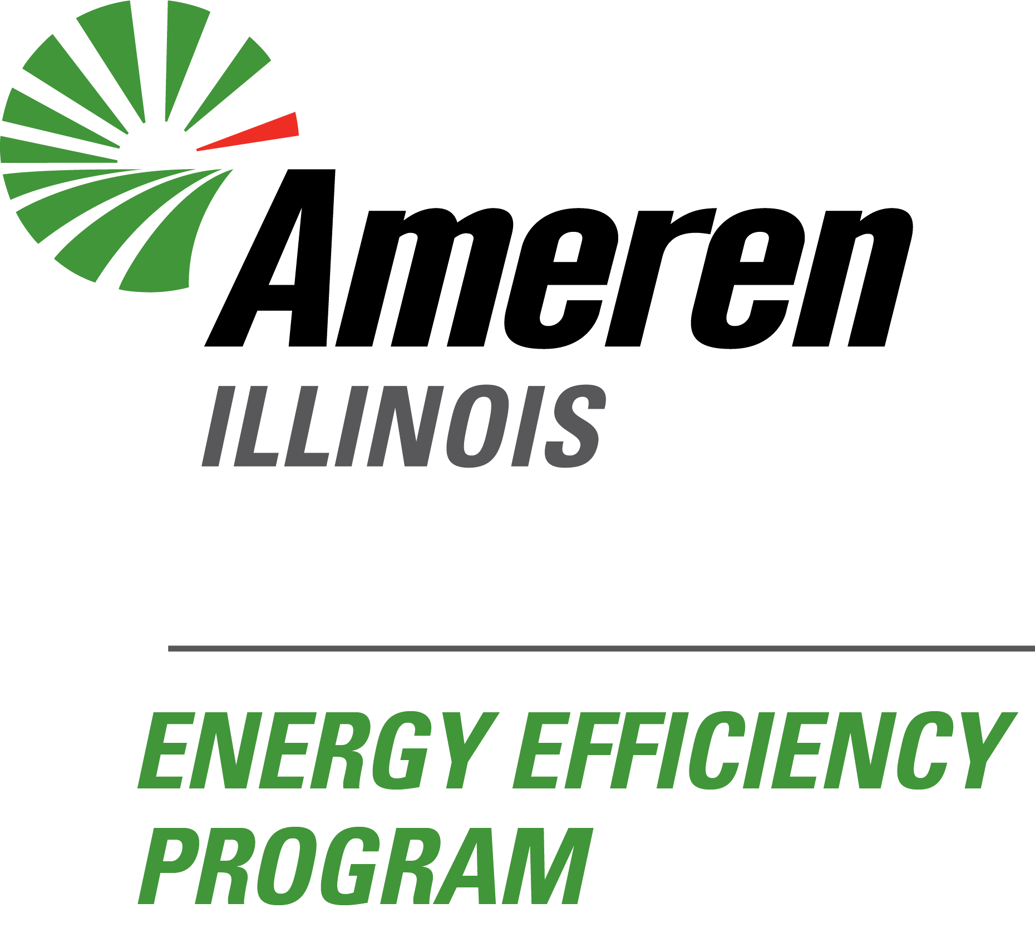
AMEREN ILLINOIS ENERGY EFFICIENCY PROGRAM
PY2024 Gas to Electric Water Heater Bill Analysis

SECTION 1: PROJECT INFORMATION
AMIL #: | Address: |  |  |  | City: | IL | ZIP:

SECTION 2: ENERGY EFFICIENCY EQUIPMENT
Heat Pump Water Heater UEF: |  | Heat Pump Water Heater Storage Volume (in gallons):

SECTION 3: CUSTOMER SUMMARY - Annual Customer Energy Bill Impacts
Detailed gas and electric bill savings. Gas savings are positive due to eliminating the gas water heater. Electric savings are negative due to the electric use of the HPWH.
Gas Bill Savings
Electric Bill Savings
Estimated Yearly Bill Savings |  |  |  | Estimated Monthly Bill Savings

SECTION 4: CUSTOMER ACKNOWLEDGEMENT
These are projected savings based upon modeling and are not guaranteed. The bill savings may not be an accurate representation of the actual savings due to variances in equipment, assumptions in home performance, cost of energy, or other energy use. Ameren Illinois, its parent, affiliates and subsidiaries, and their directors, officers, employees, contractors or agents shall not be liable to the customer for the failure to achieve energy savings in general or as listed above.
I, the undersigned, agree that the information above is representative of what has been discussed and proposed by the participating program ally (contractor).
Print Customer Name |  |  | Customer Signature |  |  | Date
Program Ally Signature |  |  |  |  |  | Date

WNCF Form

Bonus Acknowledgement Form

 | I understand that there is a customer bonus (up to $1,000) available to me for this Home Efficiency Income Qualified Offering project, courtesy of Warm Neighbors Cool Friends. I am signing below to acknowledge that I would not be able to participate in this Offering without this bonus applied to my project, as this bonus is critical to allowing me to pay for the out-of-pocket costs related to the project.

 | Ameren Illinois Project Number:

 | Total Out-of-Pocket Project Cost: | $0.00

 | Warm Neighbors Cool Friends Bonus: -

 | Final Customer Out-of-Pocket Cost: | $0.00
 | Customer Printed Name:
 | Customer Signature:
 | Date:

